Grid Search CV Parameter
GRID SEARCH CV 's HYPER PARAMETER

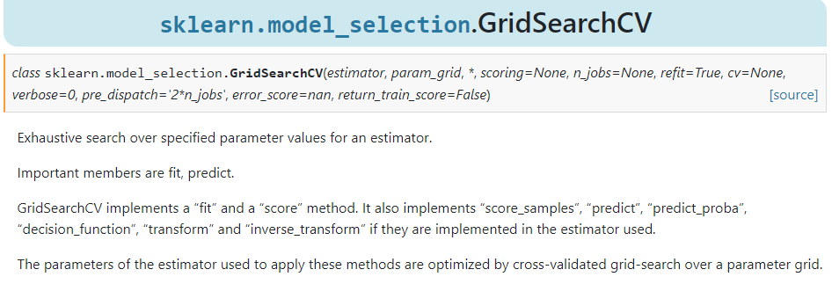

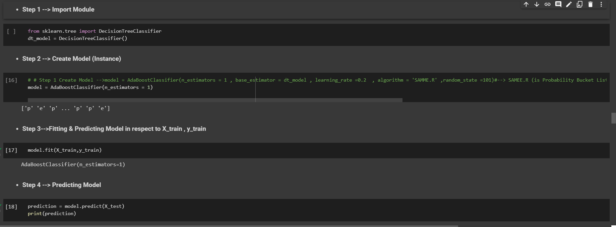  →1. estimator –An estimator is an object that fits a model based on some training data and is capable of inferring some properties on new data. It can be, for instance, a classifier or a regressor. All estimators implement the fit method , Ex --> A scikit-learn model Like SVM (Model) or KNN(Model)or Gradient BoostingModel. Reference (Scikit Learn)-->https://scikit-learn.org/stable/developers/develop.html?highlight=estimator Here is The Practical Example

→2.param_grid – A dictionary with parameter names as keys and lists of parameter values.

→3.cv – int, cross-validation generator or an iterable, default=None An integer that is the number of folds for K-fold cross-validation as well as in Stratified k fold cross validation → Determines the cross-validation splitting strategy. Possible inputs for cv are: 1.None, to use the default 5-fold cross validation 2.Integer, to specify the number of folds in a (Stratified)KFold, 3.CV splitter 4.An iterable yielding (train, test) splits as arrays of indices

→ K-Fold Cross-Validation-->In a Data-Driven World, there is never enough data to train your model, on top of that removing a part of it for validation poses a greater problem of Underfitting and we risk losing important patterns and trends in our data set, which in turn increases Bias. So ideally, we require a method that provides ample amounts of data for training the model and leaves ample amounts of data for validation sets.In K-Fold cross-validation, the data is divided into k subsets or we can take it as a holdout method repeated k times, such that each time, one of the k subsets is used as the validation set and the other k-1 subsets as the training set. The error is averaged over all k trials to get the total efficiency of our model.We can see that each data point will be in a validation set exactly once and will be in a training set k-1 time. This helps us reduce bias as we are using most of the data for fitting and reduces variance as most of the data is also being used in the validation set.

→3. Stratified K-Fold Cross-Validation -->K Fold Cross Validation technique will not work as expected for an Imbalanced Data set. When we have an imbalanced data set, we need a slight change to the K Fold cross validation technique, such that each fold contains approximately the same strata of samples of each output class as the complete. This variation of using a stratum in K Fold Cross Validation is known as Stratified K Fold Cross Validation.

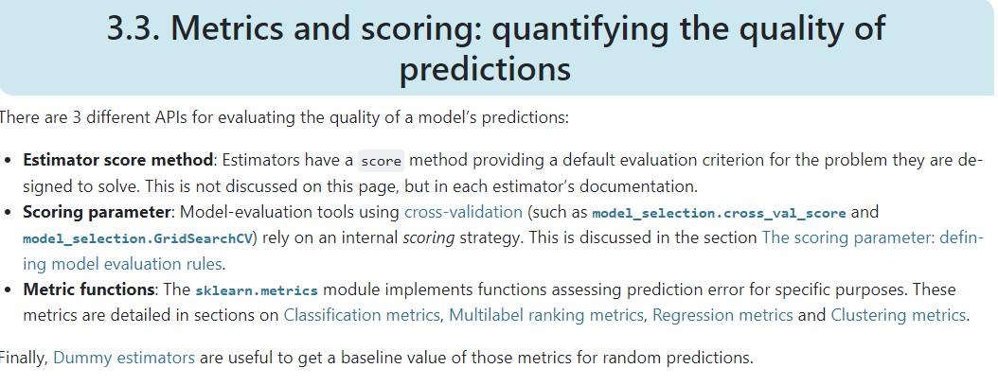 →4. Scoring-->The performance measure. For example, ‘r2’ for regression models, ‘precision’ for classification models.

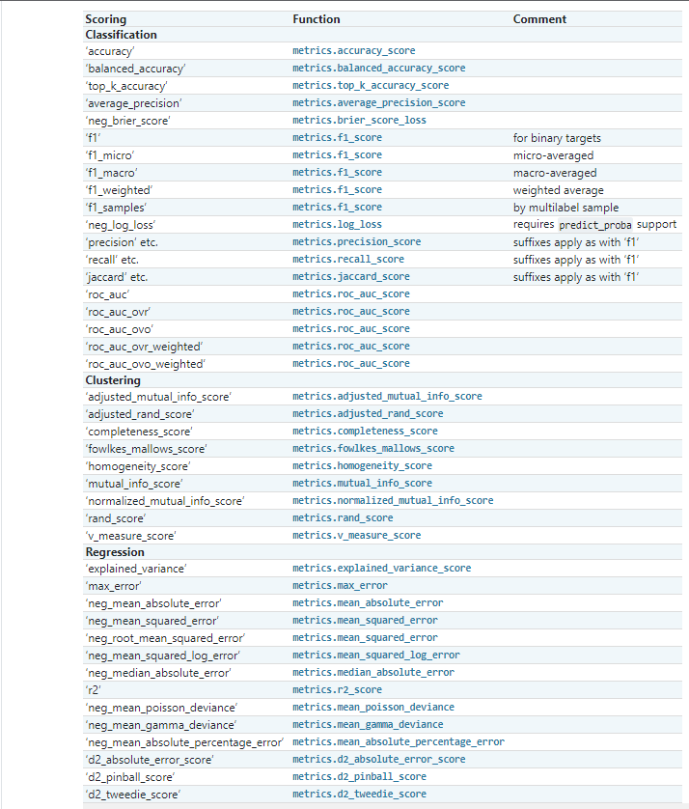

→5. verbose : int Controls the verbosity: the higher, the more messages. A. >1 : the computation time for each fold and parameter candidate is displayed. B. >2 : the score is also displayed. C. >3 : the fold and candidate parameter indexes are also displayed together with the starting time of the computation.

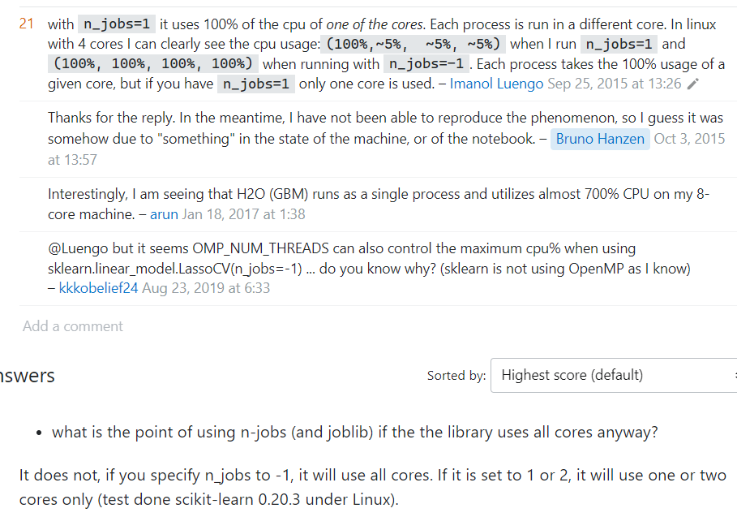 →6.What does N_jobs mean in Python? A. n_jobs is an integer, specifying the maximum number of concurrently running workers. If 1 is given, no joblib parallelism is used at all, which is useful for debugging. If set to -1, all CPUs are used. For n_jobs below -1, (n_cpus + 1 + n_jobs) are used. Reference-->https://stackoverflow.com/questions/32761556/python-scikit-learn-n-jobs

7.return_train_scorebool, default=False A-->If False, the cv_results_ attribute will not include training scores. Computing training scores is used to get insights on how different parameter settings impact the overfitting/underfitting trade-off. However computing the scores on the training set can be computationally expensive and is not strictly required to select the parameters that yield the best generalization performance.

8.error_score -->‘raise’ (default) or numeric Value to assign to the score if an error occurs in estimator fitting. If set to ‘raise’, the error is raised. If a numeric value is given, FitFailedWarning is raised. This parameter does not affect the refit step, which will always raise the error.

Predict_prob,Predict_log_proba
PARAM'S HYPER PARAMETER USAGE IN GRID SEARCH CV

1.Predictor | 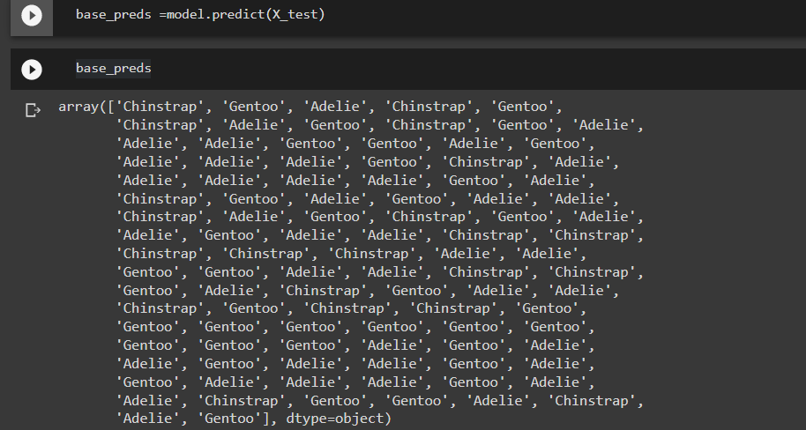 A. predictor.predict-->For supervised learning, or some unsupervised problems, implements This Code :-->prediction = predictor.predict(data)

 | FOLLOWING METHOD WORKS WITH LOGISTIC REGRESSION

 | Various Methods in Logistic Regression

 | 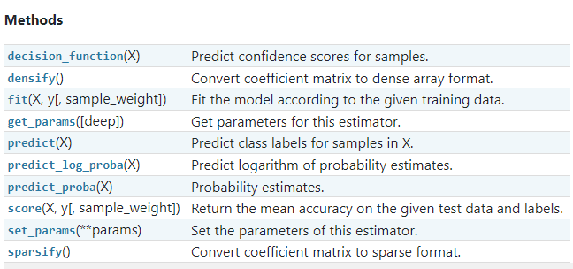

 | B.predictor.predict_prob -->Classification algorithms usually also offer a way to quantify certainty of a prediction, either using Classification Category in the form of 0 Or 1 .Basically Prediction in terms of it's probability ranges in between value 0 & 1 at 0th index. Reference-->https://www.youtube.com/watch?v=yJK4sYclhg8

 | 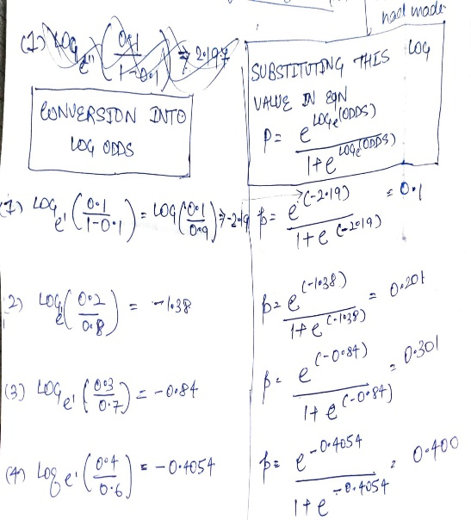 C.predictor_log_proba --> Predict logarithm of probability estimates .The returned estimates for all classes are ordered by the label of classes. Basically in Other word All the Proability Estimates in the form of p .. probability (Between 0 & 1) will be converted into logarithm scale value by this formula as we had done in Copy Or in Practicals . Pl see Given Figure⇰ 1.Reference-->https://stackoverflow.com/questions/20335944/why-use-log-probability-estimates-in-gaussiannb-scikit-learn 2.Reference -->https://www.reddit.com/r/MLQuestions/comments/5lzv9o/sklearn_why_predict_log_proba/ 3.Reference-->https://scikit-learn.org/stable/modules/generated/sklearn.linear_model.LogisticRegression.html#sklearn.linear_model.LogisticRegression.predict_log_proba

Param(Base Estimator)
Developing scikit-learn Base estimators (Param- Grid) Especially Applicable in Grid Search CV

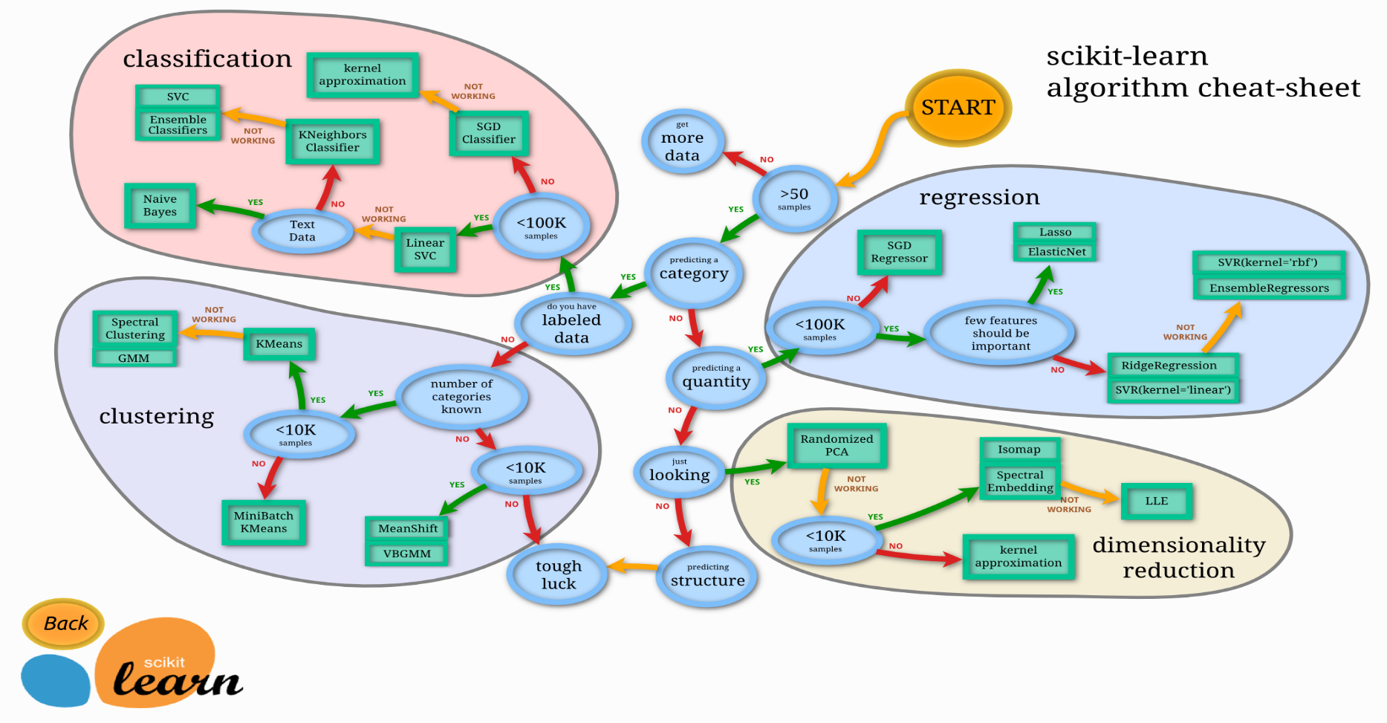 Often the hardest part of solving a machine learning problem can be finding the right estimator for the job.Different estimators are better suited for different types of data and different problems. The flowchart below is designed to give users a bit of a rough guide on how to approach problems with regard to which estimators to try on your data. Pl click on Each figure in scikit to understand each as well as every model. Reference-->https://scikit-learn.org/stable/tutorial/machine_learning_map/index.html Reference-->https://scikit-learn.org/stable/modules/generated/sklearn.model_selection.GridSearchCV.html#sklearn.model_selection.GridSearchCV.set_params

1.-->class sklearn.base.BaseEstimator--> Base class for all estimators in scikit-learn.BaseEstimator provides among other things a default implementation for the get_params and set_params methods, see [the source code]. This is useful to make the model grid search-able with GridSearchCV for automated parameters tuning and behave well with others when combined in a Pipeline . Reference-->https://stackoverflow.com/questions/15233632/baseestimator-in-sklearn-base-python Reference-->https://scikit-learn.org/stable/modules/generated/sklearn.base.BaseEstimator.html

2.-->best_estimator_estimator--> Estimator that was chosen by the search, i.e. estimator which gave highest score (or smallest loss if specified) on the left out data. Not available if refit=False. Basically in other word When the grid search is called with various params, it chooses the one with the highest score based on the given scorer func. Best estimator gives the info of the params that resulted in the highest score. Therefore, this can only be called after fitting the data. Reference-->https://stackoverflow.com/questions/30102973/how-to-get-best-estimator-on-gridsearchcv-random-forest-classifier-scikit Reference-->https://scikit-learn.org/stable/modules/generated/sklearn.model_selection.GridSearchCV.html

 3.best_estimators.get_params-->After Applying Grid Search CV & choosing best estimator this hyper parameter will help to find best estimator 's hyper parameter.

3.-->best_score_float --> Mean cross-validated score of the best_estimatorFor multi-metric evaluation, this is present only if refit is specified.This attribute is not available if refit is a function.Basically in Other Word Ex Choosing Best SCORERS Performance Measure Terminology Like for (Classification Models - take ACCURACY) [See First Excel Sheet Param --SCORERS] I assume it is the best accuracy among the ones obtained running the 8 different configuration as especified in tuned_params the number of times especified by KFold, on the left out data as especified by KFold. Reference-->https://stackoverflow.com/questions/44459845/gridsearchcv-best-score-meaning-when-scoring-set-to-accuracy-and-cv Reference -->https://scikit-learn.org/stable/modules/generated/sklearn.metrics.r2_score.html

4.best_params_dict-->Parameter setting that gave the best results on the hold out data.By the way, after finish running the grid search, the grid search object actually keeps (by default) the best parameters, so you can use the object itself. Alternatively, you could also access the classifier with the best parameters through is good and all and I personally used it a lot. However, as you can see in the documentation here, if your goal is to predict something using those best_parameters, you can directly use the grid.predict method . Reference--> https://stackoverflow.com/questions/45074698/how-to-pass-elegantly-sklearns-gridseachcvs-best-parameters-to-another-model Reference--->https://stackoverflow.com/questions/47856092/why-does-best-params-in-gridsearchcv-ignore-the-variance

5.get_params.keys()--> Get Parameter for This Estimator . Basically in other word get_params() returns a dict whose keys are the parameter names and whose values are the parameter values. Reference-->https://inria.github.io/scikit-learn-mooc/python_scripts/parameter_tuning_manual.html

6.set_params -->Set the parameters of this estimator . (Basically in this case We set new scoring parameter from 'accuracy' to 'neg_mean_square_error' . Reference-->https://scikit-learn.org/stable/modules/generated/sklearn.model_selection.GridSearchCV.html#sklearn.model_selection.GridSearchCV.set_params

7.best_index_int -->The index (of the cv_results_ arrays) which corresponds to the best candidate parameter setting.Basically this works with best estimator & from that best combination of parameter . i.e in this case [SVR(C=0.001, degree=2, epsilon=0, kernel='linear')] Reference-->https://scikit-learn.org/stable/modules/generated/sklearn.model_selection.GridSearchCV.html

8.n_features_in_int -->Number of features seen during fit . Only defined if best_estimator_ is defined (see the documentation for the refit parameter for more details) and that best_estimator_ exposes feature_names_in_ when fit. Reference--https://scikit-learn.org/stable/modules/generated/sklearn.feature_selection.SelectFwe.html

